AMQ10
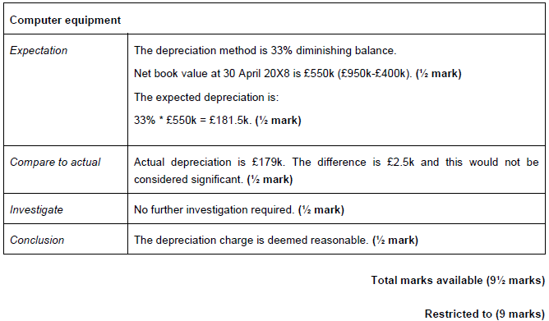
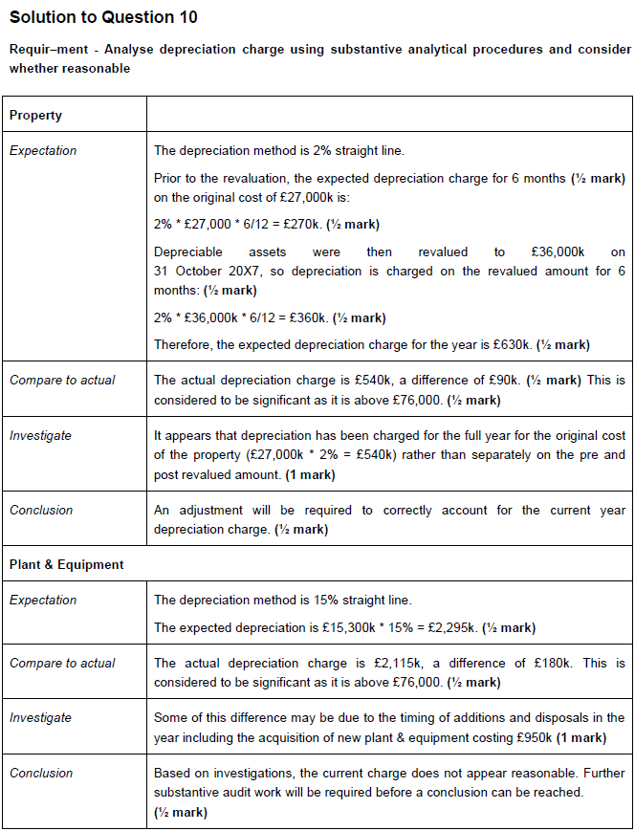
Main
 | Happy Flying
 | YE | 2018-04-30

 |  |  | Property | Plant and equiment | Computer equipment
 |  |  | £'000 | £'000 | £'000
 | cost/valuatoin | 2018-04-30 | 36,000 | 15,300 | 950
 | AD | 2017-05-01 | 4,560 | 5,685 | 400
 | depr policy |  | 2% | 15% | 33%
 |  |  | SL | SL | Dim. Bal.
 | Expectation |  | 630 | 2,295 | 182
 | Depr for the year |  | 540 | 2,115 | 179
 |  |  | (90) | (180) | (3)
 |  |  | Further work required | Further work required | reasonable

 | Property
 | open | 2017-05-01 | 27000 | 270
 | reval | 2017-10-31 | 36,000 | 360
 |  | 6 |  | 630

 | expectation |  |  | 630
 | actual |  |  | 540
 | difference |  |  | (90) | >CT 76k
 | investigate as variation is above tolerable limit of 76k

 | Investigate
 | the depreciation appears to have been charge for the full year on the revlued amount instead of the half year spli
 | Conclusion
 | An adjustment will have to be posted to correctly account for the correct depreciation

 | Plant a equipemnt
 | Open |  |  | 14,850
 | additions |  |  | 950
 | disposal |  |  | 500
 | Closr | 2018-04-30 |  | 15,300

 | depr of 15% |  |  | 2,295

 | Expectatoin |  |  | 2,295
 | actual |  |  | 2,115
 | difference |  |  | (180) | >CT 76k
 | investigate as variation is above tolerable limit of 76k

 | Investigate
 | This variance could have something to do with the timing of the additioins and disposals
 | Conclusion
 | Further substantive work required.

 | Computer equipemnt
 | Closing valuatoin |  |  | 950
 | opening AD |  |  | 400
 | NBV |  |  | 550
 | apply rate |  |  | 0
 | expecattion |  |  | 182
 | actual |  |  | 179
 |  |  |  | (3) | <CT 76k
 | within the bounds of the tolerabnle mistatemen so the depreciation amount on computer quipment is reasonable

